05
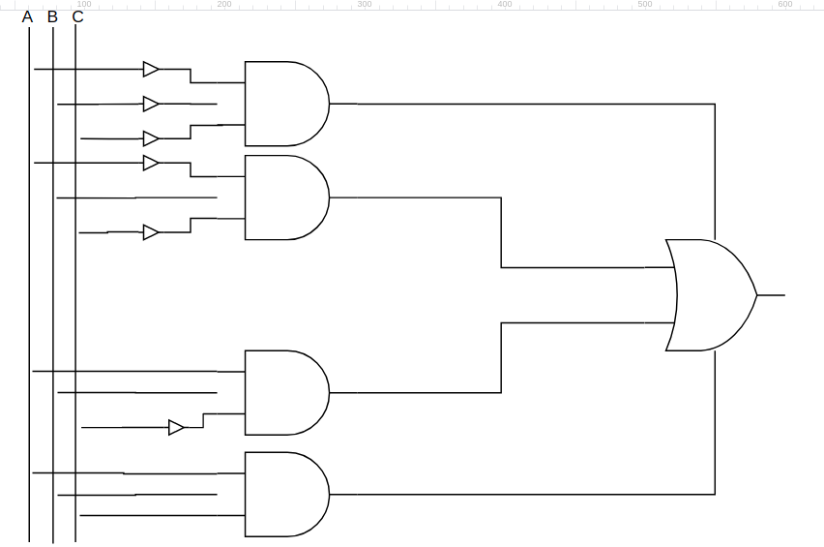
( A’ x B’ x C’ ) + ( A’ x B x C’ ) + ( A x B x C’ ) + ( A x B x C )

